Assumptions_&_Adjustments
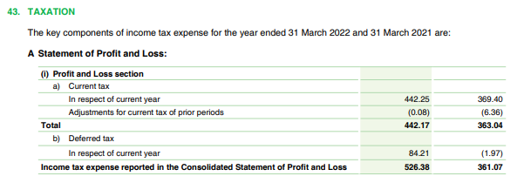
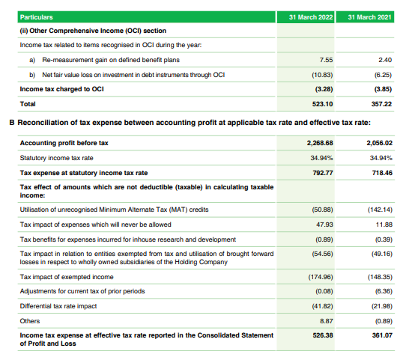
# | Company | FY | Financial Statement | Line Item Affected | Original Value | Adjustment made | Adjusted value | Adjustment Type | Reason | Notes
 | HUL | 2021 | Balance Sheet | Loans (NCA) | ₹ 251.00 | -₹ 140.00 | ₹ 111.00 | Reclassification (Asset Realignment) | ₹140 Cr security deposit moved to OFA (NCA) . Verified via Note 6 & 7 | 6
 | HUL | 2021 | Balance Sheet | Other Financial Assets (NCA) | ₹ 617.00 | ₹ 140.00 | ₹ 757.00 | Reclassification (Asset Realignment) | Receives deposit from Loans (NCA). Needed for YoY consistency | 7
 | HUL | 2021 | Balance Sheet | Loans (CA) | - | ₹ 34.00 | ₹ 34.00 | Backfill Entry / Reclassification | ₹34 Cr shifted from OFA (CA) to Loans (CA) .Based on FY22 backfill | 6
 | HUL | 2021 | Balance Sheet | Other Financial Assets (CA) | ₹ 1,188.00 | -₹ 34.00 | ₹ 1,154.00 | Backfill Entry / Matching Adjustment | Matching FY22 backfill values | 7
 | HUL | 2021 | Balance Sheet | Lease Liabilities (NCL) | - | ₹ 731.00 | ₹ 731.00 | Reclassification (Liability Split) | Other Financial Liabilities (1027 Cr.) split in two parts | -
 | HUL | 2021 | Balance Sheet | Other Financial Liabilities (NCL) | ₹ 1,027.00 | -₹ 731.00 | ₹ 296.00 | Reclassification (Liability Split) | 731 crore split and sent to Lease Liabilities. | -
 | HUL | 2021 | Balance Sheet | Lease Liabilities (NCL) | - | ₹ 278.00 | ₹ 278.00 | Reclassification (Liability Split) | Other Financial Liabilities (1206 Cr.) split in two parts | -
 | HUL | 2021 | Balance Sheet | Other Financial Liabilities (NCL) | ₹ 1,206.00 | -₹ 278.00 | ₹ 928.00 | Reclassification (Liability Split) | 278 crore split and sent to Lease Liabilities. | -
 | Dabur | 2021 | Income Statement | Current Tax (Tax Exp.) | ₹ 505.18 | -₹ 142.14 | ₹ 363.04 | Correction / Restatement | Current Tax was reclassified from ₹505.18 Cr to ₹363.04 Cr | 43
 | Dabur | 2021 | Income Statement | Deferred Tax Credit/Charge (Tax Exp.) | ₹ 144.11 | -₹ 142.14 | ₹ 1.97 | Correction / Restatement | Deferred Tax from ₹-144.11 Cr to ₹-1.97 Cr | 43

# | Note 6 (2020-21) & (2021-22)

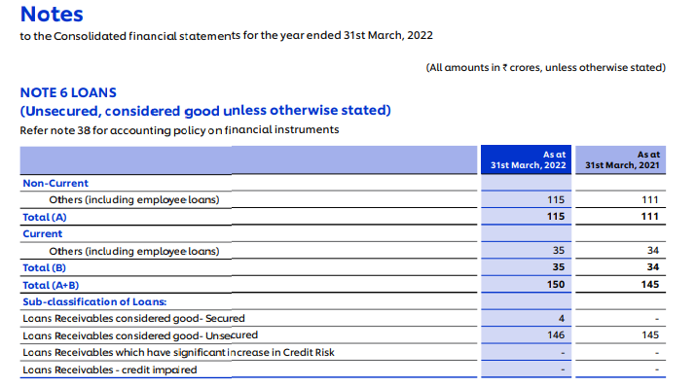

# | Note 7 (2020-21) & (2021-22)
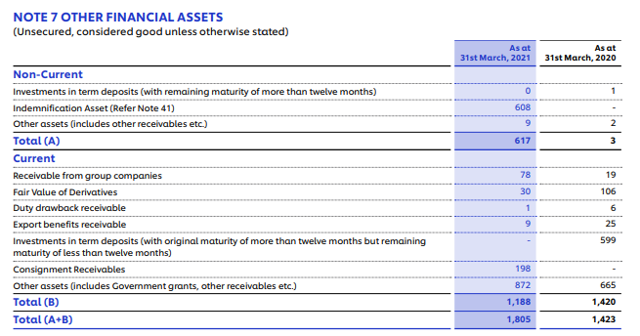

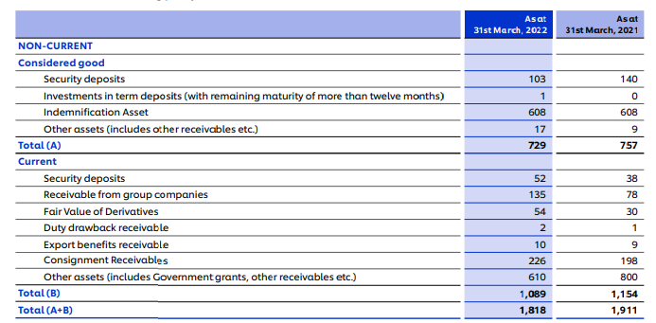

# | Note 43 (2020-21)
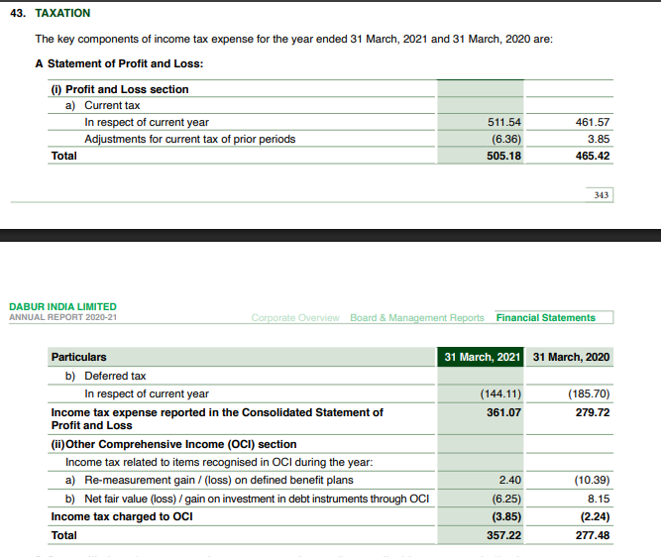

# | Note 43 (2021-22)

